Nuts & Bolts
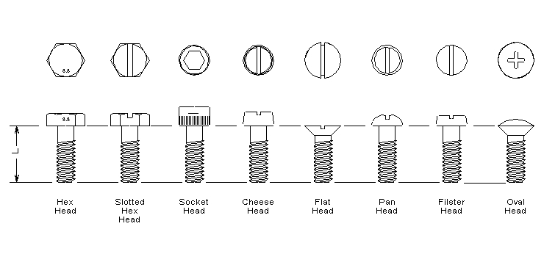
Nuts & Bolts | Return to Contents
Over-the-Counter Identification Guide (Information Tree)
Audience: New counter staff / inside sales
Purpose: Correctly identify fasteners by thread and type, prevent cross-threading, strength failures, or incorrect substitutions.
1. What Are Nuts & Bolts? (Plain Language)
Nuts and bolts are threaded fasteners used to clamp components together.
Correct fastener selection depends on:
Thread type
Fastener form
Strength (grade)
Environment
If the threads don’t match, nothing else matters.
2. STEP ONE: Identify the Thread (START HERE)
Always identify the thread before anything else.
A. Thread System
Ask or check:
Imperial (inch)
Metric
Visual clues:
Metric → thread pitch in mm
Imperial → threads per inch (TPI)
🛑 Never assume — always measure or confirm.
B. Thread Size
Identify:
Diameter (e.g., 1/4", 1/2", M8, M12)
Pitch (metric) or TPI (imperial)
⚠️ Close sizes will start but destroy threads.
C. Thread Direction
Right-hand (most common)
Left-hand (often marked with a notch)
3. STEP TWO: Identify the Fastener Type
Once the thread is known, identify what kind of fastener it is.
A. Bolts
Require a nut or threaded hole
Usually partially threaded
B. Screws
Thread directly into material
Fully threaded
C. Studs
Threaded both ends
Used where repeated assembly occurs
4. STEP THREE: Identify the Head or Drive Type
Common head styles:
Hex head
Socket head (Allen)
Button head
Flat head
Carriage bolt
🛑 Head style affects tool access and strength.
5. STEP FOUR: Identify the Grade / Strength (CRITICAL)
Strength markings matter.
Imperial Grades
Grade 2 (no marks)
Grade 5 (3 lines)
Grade 8 (6 lines)
Metric Classes
8.8
10.9
12.9
🛑 Never downgrade strength without approval.
6. STEP FIVE: Length & Thread Engagement
Confirm:
Under-head length
Thread engagement depth
Rule of thumb:
Steel → 1× diameter engagement
Aluminum → 1.5× diameter
7. STEP SIX: Nuts & Washers (If Applicable)
Match nuts to bolts:
Same thread
Equal or higher grade
Washer types:
Flat
Lock
Hardened
🛑 Soft washers under high-grade bolts cause failure.
8. Common Customer Language → What It Usually Means
“Just a bolt” → Thread not identified yet
“Metric I think” → Needs measuring
“High strength” → Grade 8 or 10.9+
“Keeps loosening” → Grade, washer, or torque issue
9. Common Mistakes to Avoid
❌ Mixing metric and imperial
❌ Guessing pitch
❌ Downgrading fastener grade
❌ Using damaged threads
10. When to Escalate (DO NOT GUESS)
Escalate if:
Structural or safety-critical application
High temperature
Corrosive environment
Unknown grade requirements
11. Final Counter Confidence Check
Before selling, confirm:
✔ Thread system, size, and pitch
✔ Correct fastener type
✔ Correct grade
✔ Proper length and engagement
If all four are confirmed → correct fastener selected.

